TECHNICAL SHEET GARMENT
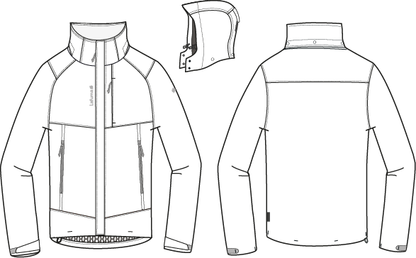
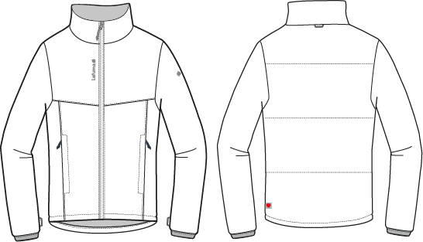
 |  | TECHNICAL SHEET GARMENT |  | WINTER 2018/19
LFV11412 |  |  | TRACK 3in1 LOFT JKT | INDEX | V1BULK
FABRIC / SUPPLIER: 06302 / LIBOLON |  |  |  | DEVELOPPER |  | Marjorie
DATE | 2020-01-03 |  |  | SUPPLIER : |  | PRIMA CHANNEL

DETAILS OUTER JKT 1
 |  | DETAILS JKT |  | WINTER 2018/19
LFV11412 |  |  | TRACK 3in1 LOFT JKT | INDEX | V1BULK
FABRIC / SUPPLIER: 06302 / LIBOLON |  |  |  | DEVELOPPER |  | Marjorie
DATE | 2020-01-03 |  |  | SUPPLIER : |  | PRIMA CHANNEL
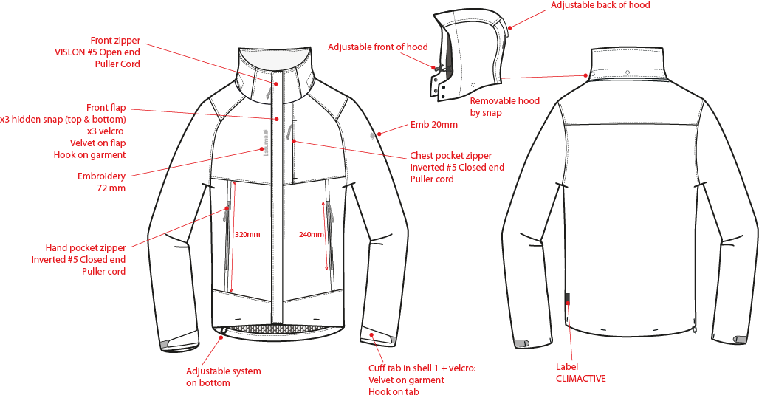
※剪接壓臨邊單針
表布領前蓋片,左/右前領各釘2組15mm平釘面彈簧釦下半套+墊片。
前袖為拉克藍袖

門襟車#5塑鋼拉鏈+拉繩,壓臨邊單針。

穿者左側表布外擋風片,釘3組15mm彈簧壓釦(上x2,下x1),中間車三組黏扣帶毛面(1cm*6cm)。黏扣帶勾面車於右門襟。

繡花2cm。

表布袋唇,上下打橫結加強,胸袋車#5尼龍反拉+拉繩,壓臨邊單針。袋裏表布袋貼+210T布。

繡花7.2cm。

側袋車#5尼龍反拉+拉繩,壓臨邊單針。袋裏表布袋貼+210T布,固定於門襟。

前下襬左/右各打一橫結。

表布袖絆壓單針,車黏扣帶勾面2cmx6cm,袖口車黏扣帶毛面2cmx10cm,加壓打結固定內貼。
下襬打結:左右脇邊各一直結,後身片兩個橫結。
穿者右側下襬調節。
LW050-E織標:
下襬上7cm。

DETAILS LINING JKT 1
內擋風片上片表布,下片超細天鵝絨。
 |  | DETAILS LINING |  | WINTER 2018/19
LFV11412 |  |  | TRACK 3in1 LOFT JKT | INDEX | V1BULK
FABRIC / SUPPLIER: 06302 / LIBOLON |  |  |  | DEVELOPPER |  | Marjorie
DATE | 2020-01-03 |  |  | SUPPLIER : |  | PRIMA CHANNEL
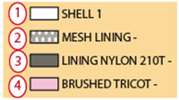
網布
210T布
表布
超細天鵝絨
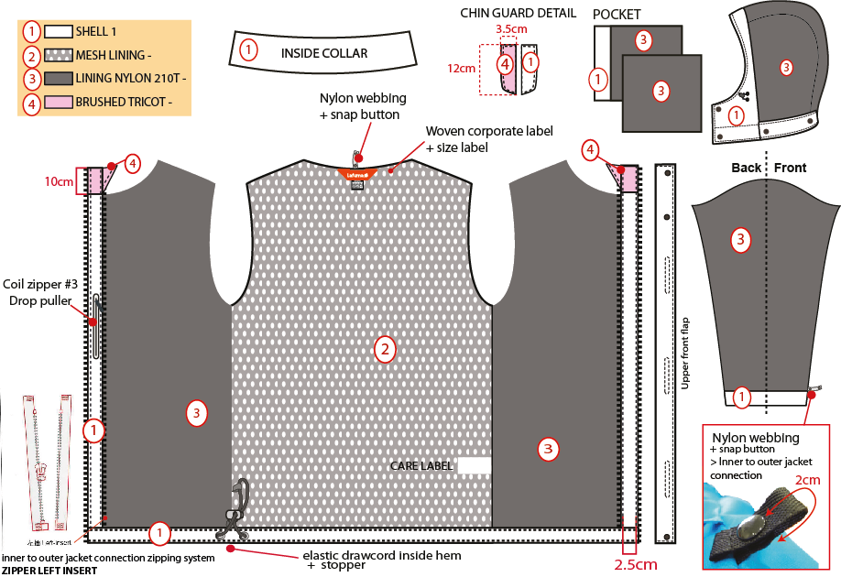
※全封條
帽簷內貼表布A,內穿彈繩由左/右內側各2顆10mm雞眼穿出+繩釦+小淚珠+迴紋帶(L:1.5cm),帽裏210T。

內後領圍夾車主標和尺寸標(位於主標下方).

☆內門襟三角擋片尺寸:L:10cm W:6cm,上片:超細天鵝絨/下片:210T布。內門襟車#5塑鋼拉鍊。
側袋手心面
側袋手背面

穿者左內胸袋車#3尼龍拉鍊,向上拉合,袋口上/下打橫結,壓臨邊線,袋裡:表布A袋貼
+210T布.

袖裏210T布,袖口內貼表布。袖口以上7cm車迴紋帶釦絆。

☆內後領圍中心x1和袖口內x2,需夾車迴紋帶(W:1/2" 內後領中心L:6cm /袖口L:5cm)+1組10mm四合釦,可與內夾克扣合用,迴紋帶要對折壓臨邊線.

下襬內貼表布A寬1",壓單針,內穿彈繩由右側2顆10mm雞眼穿出+繩釦+迴紋帶。
門襟內貼寬2.5cm。上段為超細天鵝絨,下段為表布。

OTHER DETAILS JKT 1
 |  | DETAILS LINING |  | WINTER 2018/19
LFV11412 |  |  | TRACK 3in1 LOFT JKT | INDEX | V1BULK
FABRIC / SUPPLIER: 06302 / LIBOLON |  |  |  | DEVELOPPER |  | Marjorie
DATE | 2020-01-03 |  |  | SUPPLIER : |  | PRIMA CHANNEL
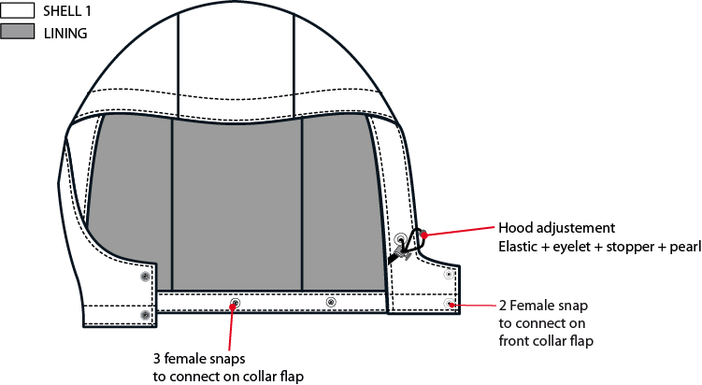

帽簷內貼表布A,內穿彈繩由左/右內側各2顆10mm雞眼穿出+繩釦小淚珠+迴紋帶(L:1.5cm)。帽裏210T布。

左/右帽前絆各釘2組15mm平釘面彈簧釦上半套,面釦要隱藏.

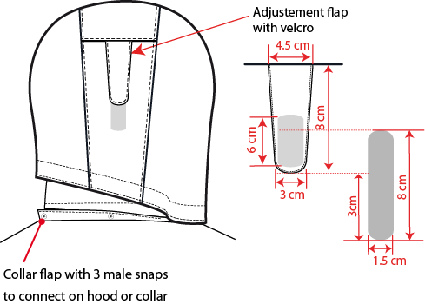
可拆帽作法,帽底釘3組15mm平釘面彈簧釦-上半套,面釦要隱藏,可與領布條扣合。

帽絆壓臨邊單針,車黏扣帶勾面2cmx6cm,帽後中車黏扣帶毛面2cmx10cm。

外領蓋片內釘3組15mm平釘面彈簧釦上半套+墊片,面釦要隱藏,外領圍夾車布A領布條W:3cm,釘3組15mm彈簧釦下半套,可與帽底&外領蓋片扣合.

DETAILS INNER JKT 2
 |  | DETAILS INNER JKT |  | WINTER 2018/19
LFV11412 |  |  | TRACK 3in1 LOFT JKT | INDEX | V1BULK
FABRIC / SUPPLIER: 06302 / LIBOLON |  |  |  | DEVELOPPER |  | Marjorie
DATE | 2020-01-03 |  |  | SUPPLIER : |  | PRIMA CHANNEL
門襟拉鍊外露W:1.2cm,車#5塑鋼拉鍊,旁邊壓臨邊單針,下方左/右各打一直結,拉鏈要平直不可波浪。
內領:超細天鵝絨
外領片不要壓臨邊單針
外後領中心夾車織帶掛耳。
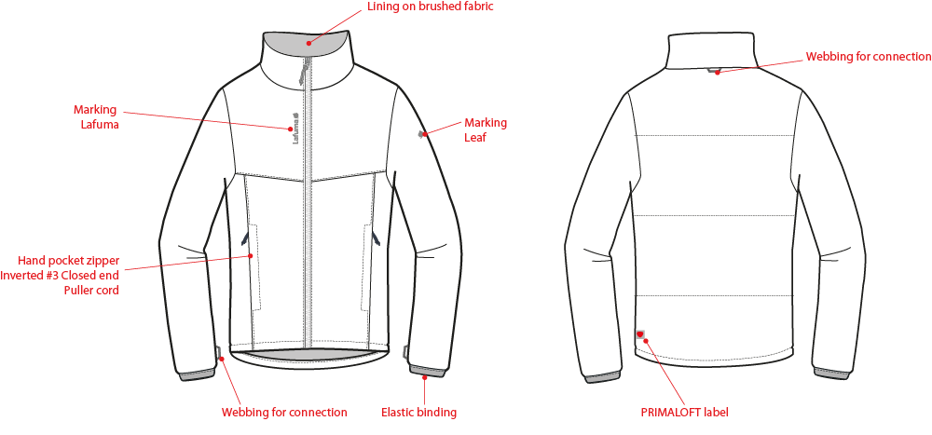

後身片表布&棉壓三道橫條,請依照紙板位置。

繡花7.2cm
繡花2cm

壓臨邊單針

表布側袋唇,車#5尼龍反拉,向上拉合,袋口上下打橫結,袋裏210T布。

袖下剪接距離袖口4cm處夾車織帶掛耳。
下襬內貼表布,高1",壓臨邊單針。
袖口車W:2cm對折帶包邊,底線要用伸縮尼龍線。
袖裏210T布,於肩點+腋點+前/後袖襱中心+袖下剪接(袖口上25cm),都要與表布縫份車縫固定住,避免穿者袖裏外露。
Primaloft織標
L-2000

DETAILS INNER JKT LINING 2
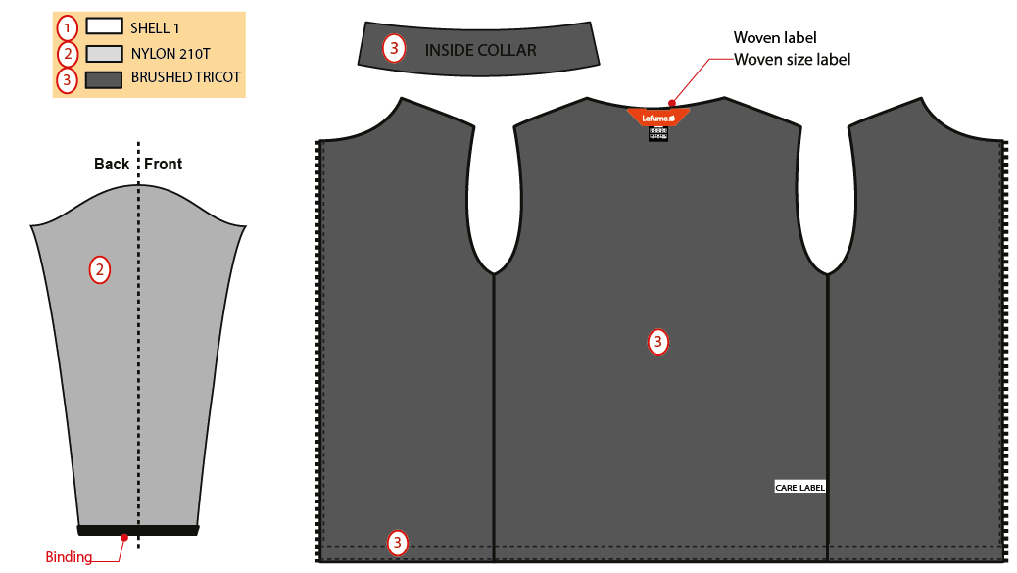
 |  | DETAILS INNER JKT |  | WINTER 2018/19
LFV11412 |  |  | TRACK 3in1 LOFT JKT | INDEX | V1BULK
FABRIC / SUPPLIER: 06302 / LIBOLON |  |  |  | DEVELOPPER |  | Marjorie
DATE | 2020-01-03 |  |  | SUPPLIER : |  | PRIMA CHANNEL

工作表1
 |  | DETAILS CONNECTION |  | WINTER 2018/19
LFV11412 |  |  | TRACK 3in1 LOFT JKT | INDEX | V1BULK
FABRIC / SUPPLIER: 06302 / LIBOLON |  |  |  | DEVELOPPER |  | Marjorie
DATE | 2020-01-03 |  |  | SUPPLIER : |  | PRIMA CHANNEL
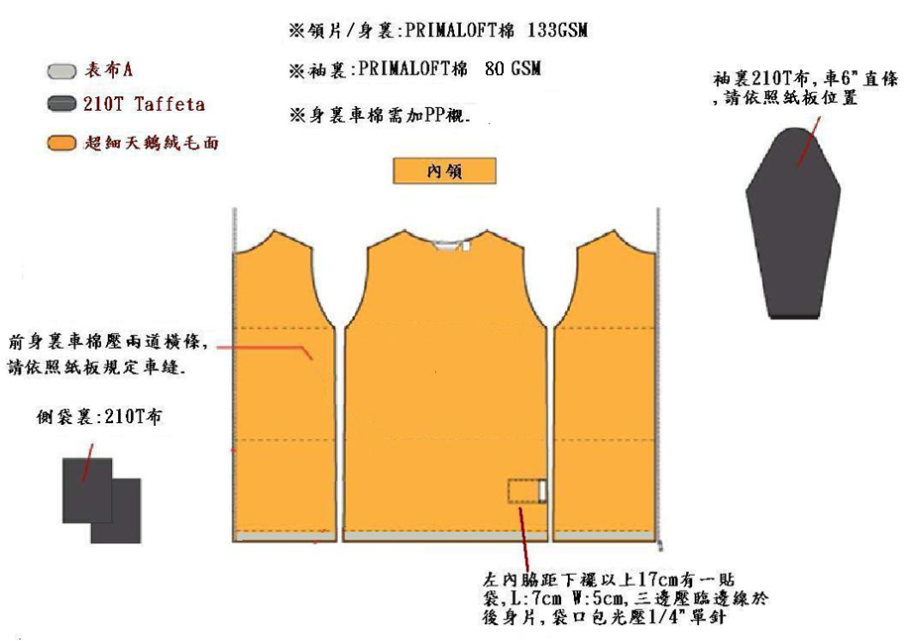
內夾克身裏做工
100GSM

100GSM

CONNECTION DETAILS
 |  | DETAILS CONNECTION |  | WINTER 2018/19
LFV11412 |  |  | TRACK 3in1 LOFT JKT | INDEX | V1BULK
FABRIC / SUPPLIER: 06302 / LIBOLON |  |  |  | DEVELOPPER |  | Marjorie
DATE | 2020-01-03 |  |  | SUPPLIER : |  | PRIMA CHANNEL
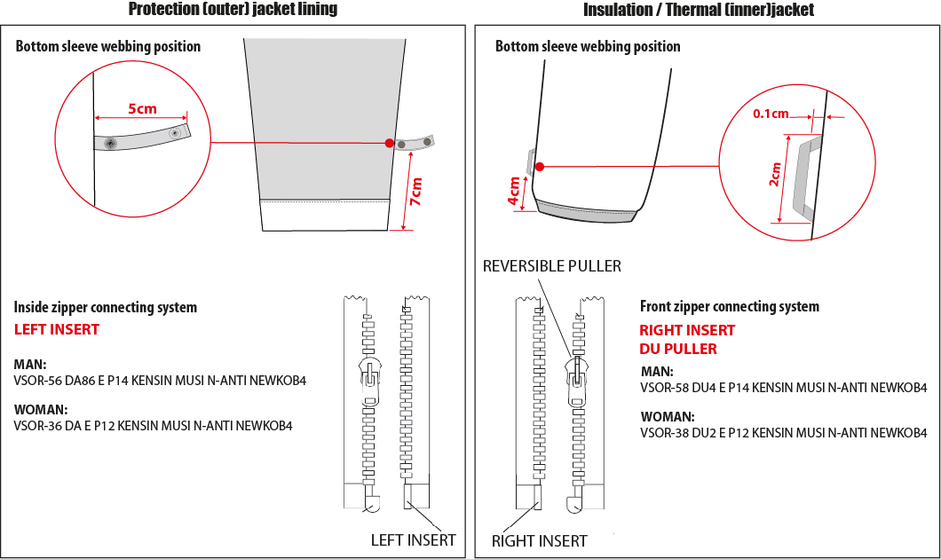

袖口以上7cm車迴紋帶釦絆。
袖口以上4cm車織帶掛耳。

男款內門襟拉鍊:#5塑鋼拉鍊,左插右拉
男款內夾門襟拉鍊:#5塑鋼拉鍊,右插左拉

6cm
☆內後領圍中心x1和袖口內x2,需夾車迴紋帶(W:1/2" 內後領中心L:6cm/袖口L:5cm) +1組10mm四合釦,可與內夾克扣合用,迴紋帶要對折壓臨邊線.

COLOR COMBINATION
 |  | COLOR COMBINATION |  |  |  |  |  |  |  | WINTER 2018/19
LFV11412 |  |  |  |  | TRACK 3in1 LOFT JKT |  |  |  |  | INDEX | V1BULK
FABRIC / SUPPLIER: 06302 / LIBOLON |  |  |  |  |  |  |  |  |  | DEVELOPPER |  |  | Marjorie
DATE | 2020-01-03 |  |  |  |  |  |  |  |  | SUPPLIER : |  |  | PRIMA CHANNEL
FABRIC OUTER JKT |  |  |  |  |  |  | HEATHER GREY 4809 | ECLIPSE BLUE 8598 | BURGUNDY 8606
SHELL 1 06302 5K/5K |  |  |  | LIBOLON | GARMENT |  | HEATHER GREY | INK/NOIR | BURGUNDY LAF
MESH |  |  |  | LOCAL | BODY |  | GREY | BLACK | BLACK
TAFFETAS NYLON 210T |  |  |  | LOCAL | SLEEVES LINING + HOOD + POCKET BAG + FRONT PANEL LINING |  | GREY | BLACK | BLACK
BRUSH TRICOT REF: AM1378 ASIA FIT |  |  |  | LOCAL | CHIN GUARD |  | GREY | BLACK | BLACK
FULL SEAM TAPE |  |  |  | LOCAL | FULL BODY |  | CLEAR | CLEAR | CLEAR
NON WOVEN |  |  |  | LOCAL | FLAPS + EMBROIDERIES BACKSIDE |  | WHITE | WHITE | WHITE
FABRIC INNER JKT |  |  |  |  |  |  | HEATHER GREY 4809 | ECLIPSE BLUE 8598 | BURGUNDY 8606
SHELL 2 PR20 NYLON FD |  |  |  | LOCAL | INNER JKT - |  | BLACK | AZUR BLUE 19-4050 TCX | BLACK
TAFFETAS LINING 210 T |  |  |  | LOCAL | SLEEVES POCKETS LINING |  | GREY | BLACK | BLACK
BRUSH TRICOT REF: AM1378 ASIA FIT |  |  |  | LOCAL | BODY LINING |  | GREY | BLACK | BLACK
INSULATION PRIMALOFT BLACK ECO 100 grs |  |  |  | PRIMALOFT | BODY & SLEEVE |  | STANDARD | STANDARD | STANDARD
TRIMMING AND ACCESSORIES OUTER JKT
 | DESCRIPTION |  | REF | SUPPLIER | DESIGNATION | QTY | HEATHER GREY 4809 | ECLIPSE BLUE 8598 | BURGUNDY 8606 | S | M | L | XL | XXL | XXXL
Zipper VISLON # 5 - 1WAY - separable- autolock SD51MA.RT |  |  |  | MAX zipper | Front zip | 1 | GREY 301 | ECLIPSE BLUE 960 | BURGUNDY 048
Zipper VISLON #5- 1WAY - Left insert VSOR-56 DA86 E P14 KENSIN MUSI N-ANTI NEWKOB4 |  |  |  | YKK ZIPPER | Front zip (inside jkt) / 3in1 system | 1 | GREY/BLACK TAPE : 301 TEETH : 580 | ECLIPSE BLUE/AZUR BLUE TAPE : 960 TEETH : 918 | BLACK/BURGUNDY TAPE : 580 TEETH : 048
Zipper REVERSE # 5 - 1WAY - Non separable - non lock SN52MAX |  |  |  | MAX zipper | Hands pockets under flap (2) Chest pocket (1) | 3 | GREY 301 | ECLIPSE BLUE 960 | BURGUNDY 048
NYLON #3 - 1WAY - Non separable -non lock - DROP PULLER |  |  |  | YKK ZIPPER | Inner pocket | 1 | GREY 301 | ECLIPSE BLUE 960 | BURGUNDY 048
cord puller |  |  | ZP072-E | DRAGON TIMES | Front opening (1) | 1 | NOIR | AZUR BLUE | NOIR
cord puller |  |  | ZP072-E | DRAGON TIMES | Front pockets (2) Chest pocket (1) | 3 | NOIR | SAPHIR | NOIR
17mm METAL SNAP (male & female) (NVISIBLE) |  |  |  | LOCAL | Front flap (2 on top + 1 on bottom) | 3 | ANTIC SILVER | ANTIC SILVER | ANTIC SILVER
17mm METAL SNAP (male & female) (NVISIBLE) |  |  |  | LOCAL | Front hood & collar flap (4) Back hood removable system (3) | 7 | ANTIC SILVER | ANTIC SILVER | ANTIC SILVER
17mm METAL SNAP ( female) (NVISIBLE) |  |  |  | LOCAL | Removable hood system BACK COLLAR FLAP (3) | 3 | ANTIC SILVER | ANTIC SILVER | ANTIC SILVER
2,5mm ELASTIC CORD |  |  |  | LOCAL | Bottom adjustment (1) Hood adjustment (1) | 2 | BLACK | BLACK | BLACK
New mmg cord stopper 20mm+ slit |  |  | EIS15U-XMSTP01 | UNITEX | Bottom adjustment (1) Hood adjustment (2) | 3 | NOIR | NOIR | NOIR
10mm METAL EYELET |  |  |  | LOCAL | Bottom adjustment (2) Hood adjustment (4) | 6 | ANTIC SILVER | ANTIC SILVER | ANTIC SILVER
PLASTIC PEARL |  |  | CP-A1 | UNITEX | Hood adjustment (2) | 2 | NOIR | NOIR | NOIR
5mm POLYESTER WEBBING |  |  | EIS15U-XMTRE01 | YF ZIPPER | Bottom adjustment (2) Hood adjustment (2) to hold stopper and cord | 4 | NOIR | NOIR | NOIR
VELCRO FEMALE velvet (rounded corner) 10x60mm |  |  |  | LOCAL / PAHIO | Front flap | 3 | BLACK | ECLIPSE BLUE TO539 | BLACK
VELCRO MALE hook (rounded corner) 10x60mm |  |  |  | LOCAL / PAHIO | garment front | 3 | BLACK | ECLIPSE BLUE TO539 | BLACK
VELCRO FEMALE velvet (rounded corner) 20x100mm |  |  |  | LOCAL / PAHIO | Back hood adjustment on GARMENT | 1 | BLACK | ECLIPSE BLUE TO539 | BLACK
VELCRO MALE hook ( rounded corner) 20x60mm |  |  |  | LOCAL / PAHIO | Back hood adjustment on FLAP | 1 | BLACK | ECLIPSE BLUE TO539 | BLACK
VELCRO FEMALE velvet (rounded corner) 20x100mm |  |  |  | LOCAL / PAHIO | Cuff adjustment on GARMENT | 2 | BLACK | ECLIPSE BLUE TO539 | BLACK
VELCRO MALE hook (rounded corner) 20x60mm |  |  |  | LOCAL / PAHIO | Cuff adjustment on FLAP | 2 | BLACK | ECLIPSE BLUE TO539 | BLACK
12mm NYLON WEBBING |  |  |  | LOCAL | JKT connection Neckline (1) Sleeves Connection(2) | 3 | BLACK | BLACK | BLACK
10 mm PLASTIC SNAP |  |  |  | LOCAL | JKT connection Neckline (1) Sleeves connection(2) | 3 | BLACK | BLACK | BLACK
TRIMMING AND ACCESSORIES INNER JKT
 | DESCRIPTION |  | REF | SUPPLIER | DESIGNATION | QTY | HEATHER GREY 4809 | ECLIPSE BLUE 8598 | BURGUNDY 8606 | S | M | L | XL | XXL | XXXL
Zipper VISLON # 5 - 1WAY - Right insert VSOR-58 DU4 E P14 KENSIN MUSI N-ANTI NEWKOB4 |  |  |  | YKK ZIPPER | Front zip | 1 | BLACK/GREY TAPE : 580 TEETH : 301 | ECLIPSE BLUE/AZUR BLUE TAPE : 960 TEETH : 918 | BLACK/BURGUNDY TAPE : 580 TEETH : 048
Zipper REVERSE # 5 - 1WAY - Non separable - non lock SN52MAX |  |  |  | MAX zipper | Hands pockets under flap (2) | 2 | GREY 301 | ECLIPSE BLUE 960 | BURGUNDY 048
MMG WEBBING 5MM WIDTH |  |  | EIS15U-XMTRE01 | YF ZIPPER | JKT connection Back Neckline (1) Bottom Sleeves (2) | 3 | NOIR | DARK SKYFALL 2 | NOIR
ELASTIC BINDING total width 20mm |  |  | EB011-E | WILSON GROUP | bottom sleeve hem | 2 | NOIR | ABYSS | NOIR
MARKING OUTER JKT
EMBROIDERY LAFUMA 72 mm |  |  |  | LOCAL / MING SHYANG | Right front / top | 1 | GREY E414 | ECLIPSE BLUE 30055 | BLACK
EMBROIDERY LAFUMA FEUILLE 20 mm |  |  |  | LOCAL / MING SHYANG | Left sleeve / top | 1 | GREY E414 | ECLIPSE BLUE 30055 | BLACK
 CLIMACTIVE WOVEN FLY |  |  | LW050-E | TRIPLE STAR | left side seam | 1 | BLACK | BLACK | BLACK
MARKING INNER JKT
EMBROIDERY LAFUMA 72 mm |  |  |  | LOCAL / MING SHYANG | Right front / top | 1 | GREY E414 | ECLIPSE BLUE 30055 | BURGUNDY F194
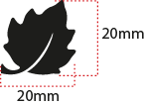 EMBROIDERY LAFUMA FEUILLE 20 mm |  |  |  | LOCAL / MING SHYANG | Left sleeve / top | 1 | GREY E414 | ECLIPSE BLUE 30055 | BURGUNDY F194
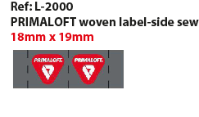 PRIMALOFT LABEL |  |  | L-2000 | PRIMALOFT | left side seam | 1
LABELS OUTER JKT
WOVEN LABEL |  |  | LW034-E | SML | Neckline / centered | 1 | ORANGE
SIZE WOVEN LABEL MMG MEN ALPHA/TOP |  |  | LWS18-01 | SML | Neckline / centered | 1 | STANDARD
Care Label & P.O. Label |  |  | LC011-E | LOCAL | left side seam | 1 | WHITE satin
LABELS INNER JKT
 WOVEN LABEL |  |  | LW034-E | SML | Neckline / centered | 1 | ORANGE
SIZE WOVEN LABEL MMG MEN ALPHA/TOP |  |  | LWS18-01 | SML | Neckline / centered | 1 | STANDARD
Care Label & P.O. Label |  |  | LC011-E | LOCAL | left side seam |  | WHITE satin
HANG TAG
 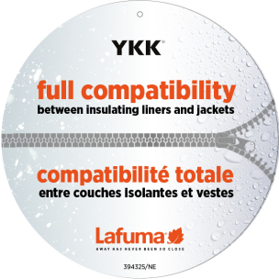 HANG TAG MIX & MATCH |  |  | HT394325/NE | TRIPLE STAR | front zipper | 1 | STANDARD
 HANG TAG LOW IMPACT |  |  | HT394299-E | TRIPLE STAR |  | 1 | STANDARD
 HANGTAG LAFUMA CORPORATE |  |  | SMALL HT-394082-E | TRIPLE STAR | Left side pocket | 1 | STANDARD
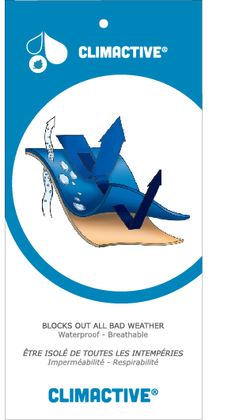 HANG TAG CLIMACTIVE |  |  | SMALL HT394146-E | TRIPLE STAR | Refer artwork for position | 1 | STANDARD
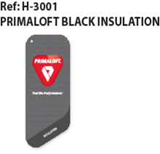 HANG TAG" PRIMALOFT" BLACK ECO |  |  | H-3001 | PRIMALOFT |  | 1 | STANDARD
HANG TAG PFC FREE |  |  | HT394145-E | TRIPLE STAR |  | 1 | STANDARD
 GENCODE STICKER |  |  |  | LOCAL |  | 2
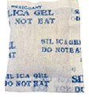 SILICA GEL DMF U FREE 5gr |  |  |  | LOCAL |  | 1
 POLYBAG |  |  |  | LOCAL |  | 1
 |  |  |  | LOCAL |  | 1

MARKING
 |  | MARKING |  |  |  | WINTER 2018/19
LFV11412 |  |  | TRACK 3in1 LOFT JKT |  |  | INDEX | V1BULK
FABRIC / SUPPLIER: 06302 / LIBOLON |  |  |  |  |  | DEVELOPPER |  | Marjorie
DATE | 2020-01-03 |  |  |  |  | SUPPLIER : |  | PRIMA CHANNEL
MARKING OUTER JKT
DESIGNATION |  |  |  |  | POSITION
LAFUMA+楓葉繡花7.2cm
外夾克
穿者右前胸領圍下8cm
距外擋風片1.5cm
EMBROIDERY LAFUMA 72 mm |  |  |  | RIGHT TOP FRONT * VERTICAL POSITION : 8cm below neckline * ALONG FRONTZIPPER : 1 ,5 cm from front zipper
楓葉繡花2cm
穿者左袖肩點下8cm
EMBROIDERY LAFUMA FEUILLE 20 mm |  |  |  | LEFT TOP SLEEVE 8 cm from top sleeve
穿者左後脇邊下襬上7cm。
CLIMACTIVE WOVEN FLY |  |  |  | LEFT SIDE SEAM * 7cm from bottom
MARKING INNER JKT
LAFUMA+楓葉繡花7.2cm
內夾克
穿者右前胸領圍下8cm
距門襟拉鍊1.5cm
EMBROIDERY LAFUMA 72 mm |  |  |  | RIGHT TOP FRONT * VERTICAL POSITION : 8cm below neckline * ALONG FRONTZIPPER : 1 ,5 cm from front zipper
楓葉繡花2cm
穿者左袖肩點下8cm
EMBROIDERY LAFUMA FEUILLE 20 mm |  |  |  | 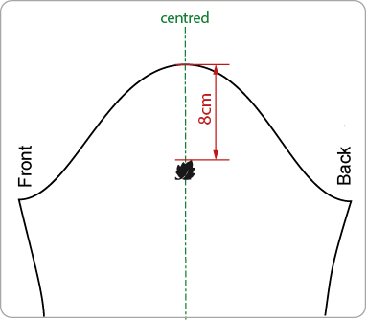 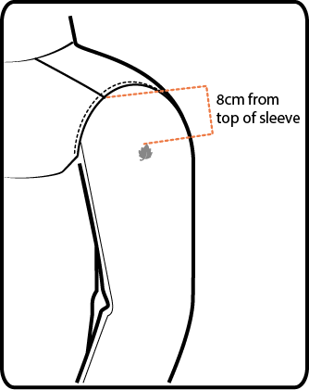 LEFT TOP SLEEVE 8 cm from top sleeve
穿者左後脇邊下襬上7cm。
 PRIMALOFT STANDARD FLY LABEL |  |  |  | LEFT SIDE SIDE SEAM * 7cm from bottom

JACKET SKETCH MEASUREMENTS
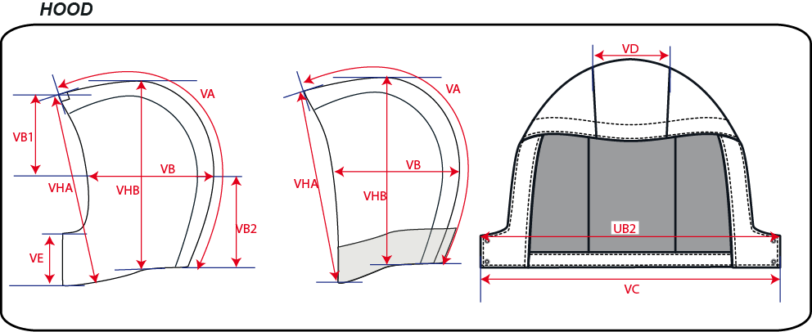
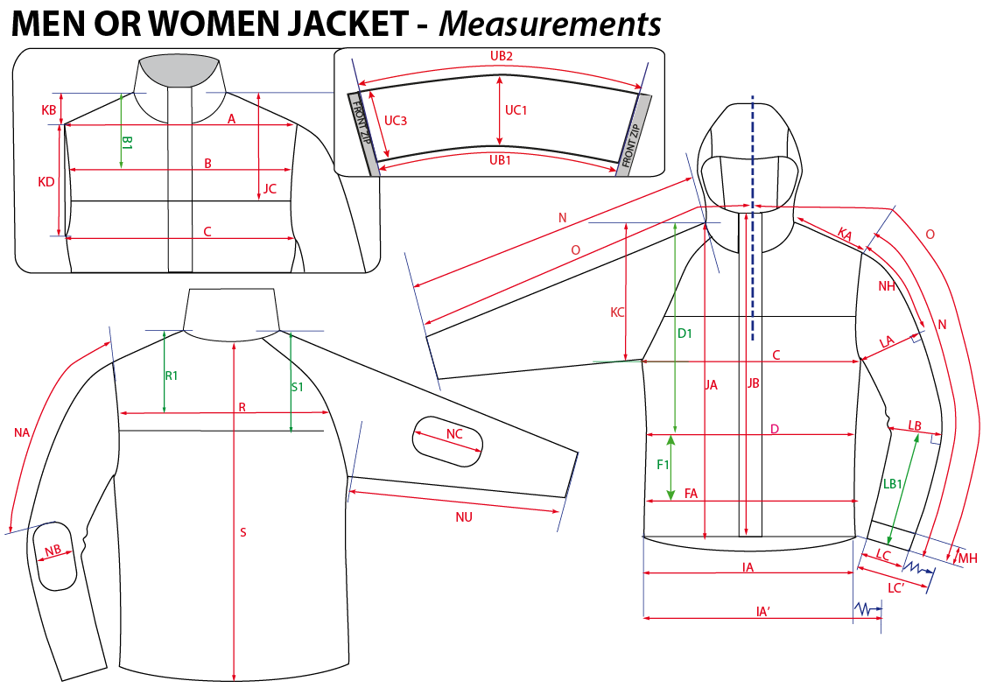
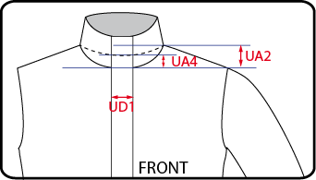
 |  | HOW TO TAKE MEASUREMENTS |  | WINTER 2018/19
LFV11412 |  |  | TRACK 3in1 LOFT JKT |  | INDEX | V1BULK
FABRIC / SUPPLIER: 06302 / LIBOLON |  |  |  | DEVELOPPER |  | Marjorie
DATE | 2020-01-03 |  |  | SUPPLIER : |  | PRIMA CHANNEL

HANG TAGS
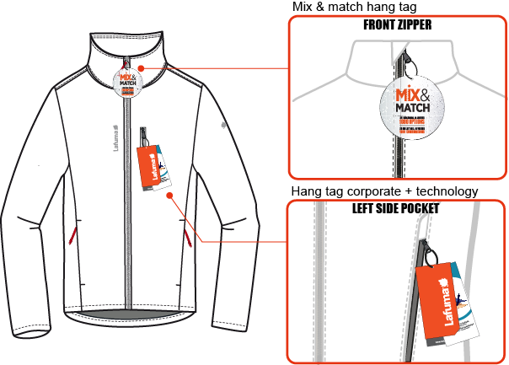
 |  | HOW TO ATTACH HANG TAGS |  | WINTER 2018/19
LFV11412 |  |  | TRACK 3in1 LOFT JKT |  | INDEX | V1BULK
FABRIC / SUPPLIER: 06302 / LIBOLON |  |  |  | DEVELOPPER |  | Marjorie
DATE | 2020-01-03 |  |  | SUPPLIER : |  | PRIMA CHANNEL

